Лист1
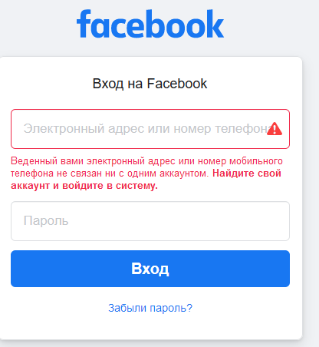
Build |  | Facebook 2021
Environment |  | Windows 10, Firefox v.88
Test Date |  | 2021-05-20
Tester |  | Kudzerka
Test type | Checking | Result
Sign up
Smoke | Creat new accaunt with valid data. | Ok
CP | Check links ("Terms", "Data Policy "and "Cookies Policy"). | Ok
CP | Check required fields. | Ok
CP | Сheck hints. | Ok
CP | Сheck dropdowns and radiobuttons. | Ok
CP | Сheck buttons ("Click for more information") | Ok
CP | Test "Custom" function. | Ok
CP | Enter invalid values in required fields. | Ok
CP | Enter different email. | Ok
CP | Enter wrong date of birth. | Ok
CP | Enter wrong Age. | Ok
CP | Null input. | Ok
Ext | Enter values in another language. | Ok
Ext | Enter special characters in fields. | Ok
Ext | Enter special characters in fields. | Bug #1
Log in
Smoke | Login with valid data. | Ok
CP | Null input | Ok
CP | Leave empty login field. | Ok
CP | Leave empty password field. | Ok
CP | Enter invalid password. | Ok
CP | Enter invalid data in the password . | Ok
CP | Enter invalid data in the login . | Ok
CP | Password visualization check. | Ok
CP | Check links ("Find your account and log in","Forgot Password?"). | Ok
Ext | Enter values in another language. | Ok
Ext | Enter special characters in fields. | Ok
Forgot Password
Smoke | Password recovery by email. | Ok
Smoke | Password recovery by telephone number. | OK
CP | Null input("Find Your Account" and "Choose a New Password" ). | OK
CP | Send code via SMS and email. | OK
CP | Check buttons( " Not You?","skip","show","hide","Cancel","Enter Password to Log in","I cannot Acces My Email"). | OK
CP | Check links ("No longer have access to these?","Didn't get a code?"). | OK
CP | Enter new password with invalid values. | OK
CP | Enter invalid values when searching an account. | OK
CP | Enter code with invalid values. | OK
Ext | Enter special characters in fields | OK

Id - #1, Summury - Incorrect visualization in the Russian version when sign in, Dicription - 1.Enter to facebook.com 2. Choose the Russian version 3. Click sign in, Actual result - Invalid visualizationin in login field Expexted result - Correct visualization of text in login field, Severity - Minor, Priority - Low.
Attachments

